Pivot Tables
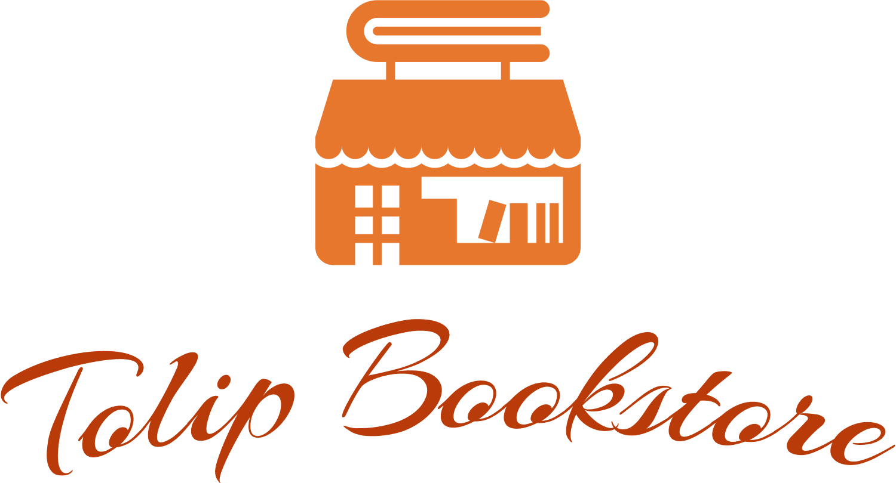

Number of Books
323

Total Sales by Type |  | Top 3 Years by Total Sales |  | Number of Books by Type |  | Top 5 Languages by Number of Books
Type | Total Sales | Years | Total Sales | Type | #Books | Language | #Books
Book | 6825520000 | 1997 | 1256000000 | Book | 205 | English | 223
Series | 9701740000 | 1992 | 724700000 | Series | 118 | Japanese | 41
Grand Total | 16527260000 | 1957 | 597500000 | Grand Total | 323 | French | 11
 |  | Grand Total | 2578200000 |  |  | Chinese | 8
 |  |  |  |  |  | Russian | 7
 |  |  |  |  |  | Grand Total | 290

Top 5 Genres by Total Sales |  | Top 5 languages by Total Sales
Genres | Total Sales | Language | Total Sales
Other | 11751060000 | English | 12391700000
Fantasy | 1252000000 | Japanese | 1086640000 | Total Sales by Language |  | Top 5 Genres by Number of Books
Children'S Literature | 339000000 | French | 822000000 | Language | Total Sales | Genre | #Books
Novel | 309500000 | Chinese | 782520000 | Chinese | 782520000 | Other | 199
Historical Fiction | 260300000 | Italian | 294000000 | Czech | 20000000 | Children'S Literature | 14
Grand Total | 13911860000 | Grand Total | 15376860000 | Dutch | 120000000 | Fantasy | 14
 |  |  |  | English | 12391700000 | Novel | 10
 |  |  |  | French | 822000000 | Self-Help | 7
 |  |  |  | German | 121000000 | Grand Total | 244
Top 5 Authors by Total Sales |  | Top 5 Books by Sales |  | Gujarati | 10000000
Author(s) | Total Sales | Book | Total Sales | Italian | 294000000
J. K. Rowling | 1132000000 | Harry Potter | 600000000 | Japanese | 1086640000
Various authors | 1060140000 | 新华字典 (Xinhua Zidian / Xinhua Dictionary) | 567000000 | Korean | 37000000
Chief editor: Wei Jiangong | 567000000 | Goosebumps | 400000000 | Norwegian | 120000000 | Top 5 Genres by Number of Authors
R. L. Stine | 480000000 | Perry Mason | 300000000 | Polish | 15000000 | Genre | #Authors
Dan Brown | 349000000 | Diary of a Wimpy Kid | 290000000 | Portuguese | 150000000 | Other | 199
Grand Total | 3588140000 | Grand Total | 2157000000 | Russian | 181400000 | Children'S Literature | 14
 |  |  |  | Spanish | 75000000 | Fantasy | 14
 |  |  |  | Swedish | 270000000 | Novel | 10
 |  |  |  | Yiddish | 10000000 | Self-Help | 7
 |  |  |  | Yolish | 21000000 | Grand Total | 244
 |  |  |  | Grand Total | 16527260000

